Summary
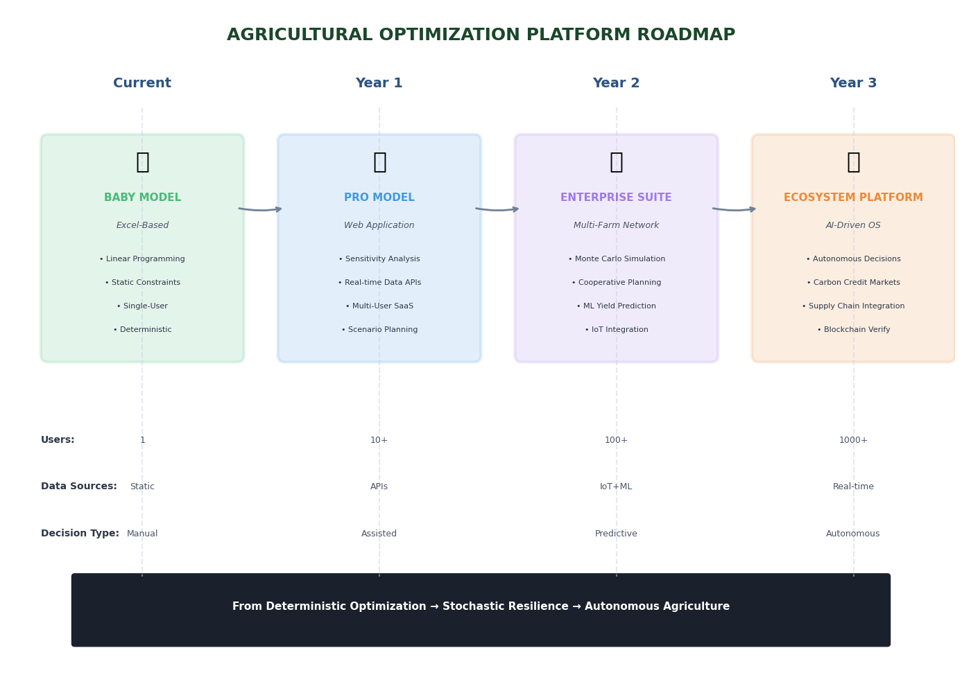
Objective: | Maximize farm profit through optimal crop mix across successions while keeping land, water, labor, storage, demand and budget constraints.
Workflow: | 1. Input crop data & constraints → 2. LP + binary optimization → 3. Planting schedules & financials → 4. Scenario testing
Applications: | Farm management software • Agricultural consulting • Cooperative planning • Education • Climate adaptation
Limitations
Rigid crop calendar (6 crops) | Simplified for model-building. Real farms typically include more crops. Each succession has a hardcoded planting month (orange DV), growing months, and harvest month (purple). Adding new successions or crops requires manually building formulas throughout the sheet. Improvement: an app where farmers input crop, days to maturity, and seasonality — then successions auto-generate.
No channel optimization | Sales are not allocated across channels by the optimizer. See Appendix 1 (DV-based channel partitioning) or Appendix 2 (waterfall method using =SORT functions to prioritize) for more accurate approaches — both too complex for this assignment.
Monthly time resolution (not 52 weeks) | Days to maturity and planting/harvesting are simplified into whole months. A 52-week model would be more accurate but was not feasible for this assignment due to complexity.
Fixed cost ≥ budget → infeasible | Fixed costs (storage, irrigation, equipment, machinery) are set by user parameters, not DVs. If land > 462 acres, storage > 84,400 m³, or budget < $1.17M, fixed costs alone exceed the budget and Solver fails. An app must warn users before this happens.
Stress-tested: 120 scenarios | Model confirmed fully linear across all tests. Simplex LP is the correct and sufficient method.
Core Assumptions

Fixed yields, zero crop failure | Yield, demand, prices, and other externally variable parameters are set values with no variance. No pest/disease loss. Monte Carlo simulation could capture risk (drought, price swings, crop failure).
Strict 3–7 month crop cycles | Each crop has a fixed planting → growing → harvesting timeline. No early harvest, delayed planting, or weather-adjusted schedules.
80/20 price split | Revenue = yield × avg_price × 1.04 (80% sold at base price, 20% at 120% premium). This is a constant multiplier that preserves LP linearity, but if actual channel mix shifts, revenue estimates will be off.
Equal sales across channels | Weighted-average price and packaging costs are computed from fixed demand proportions across wholesale, D2C, and B2B. The optimizer does not allocate volume between channels.
Yearly demand cap (not monthly) | Monthly demand is aggregated into an annual cap, meaning buyers are not time-sensitive. Simplified due to constraint count limits.
Profit-only objective | Maximizes revenue minus cost. Does not consider soil health, crop rotation benefits, sustainability, or multi-year planning.
Fixed infrastructure costs | Storage, irrigation, equipment, and machinery costs are determined by user-set parameters (land, capacity) and are incurred regardless of what is planted. Not controlled by the optimizer.
Binary planting decisions | Each succession is either planted or not (0/1). This is not fully utilized right now, but is built in to control any succession specific fixed costs for future adaptations

